L-C Filter Designer
Class-D LC Filter Designer

1 Class-D Configuration
Single-Ended (SE) - AD or BD
BTL - Differential - AD Mode
BTL - Common Mode - BD or AD Mode
BTL - Hybrid - AD Mode
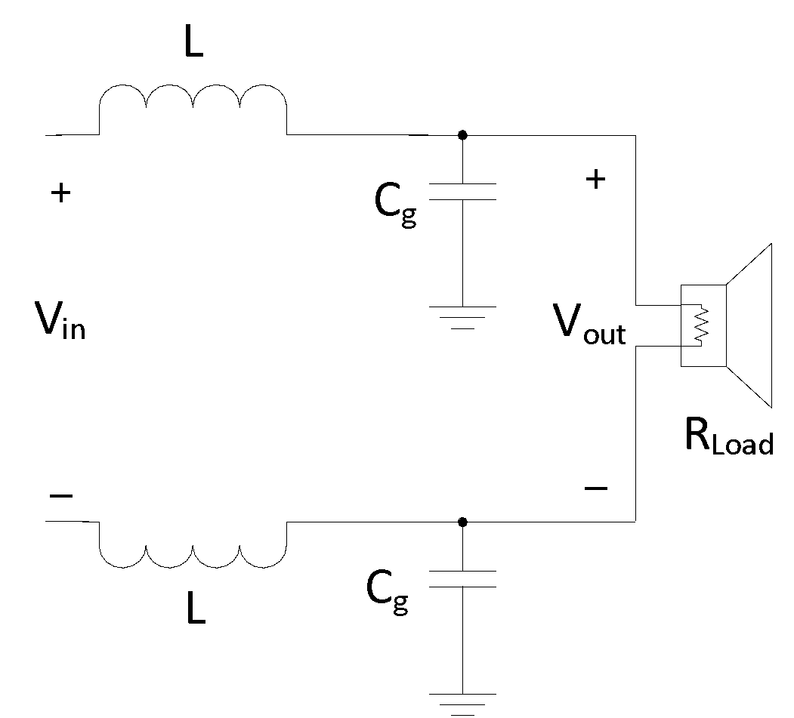
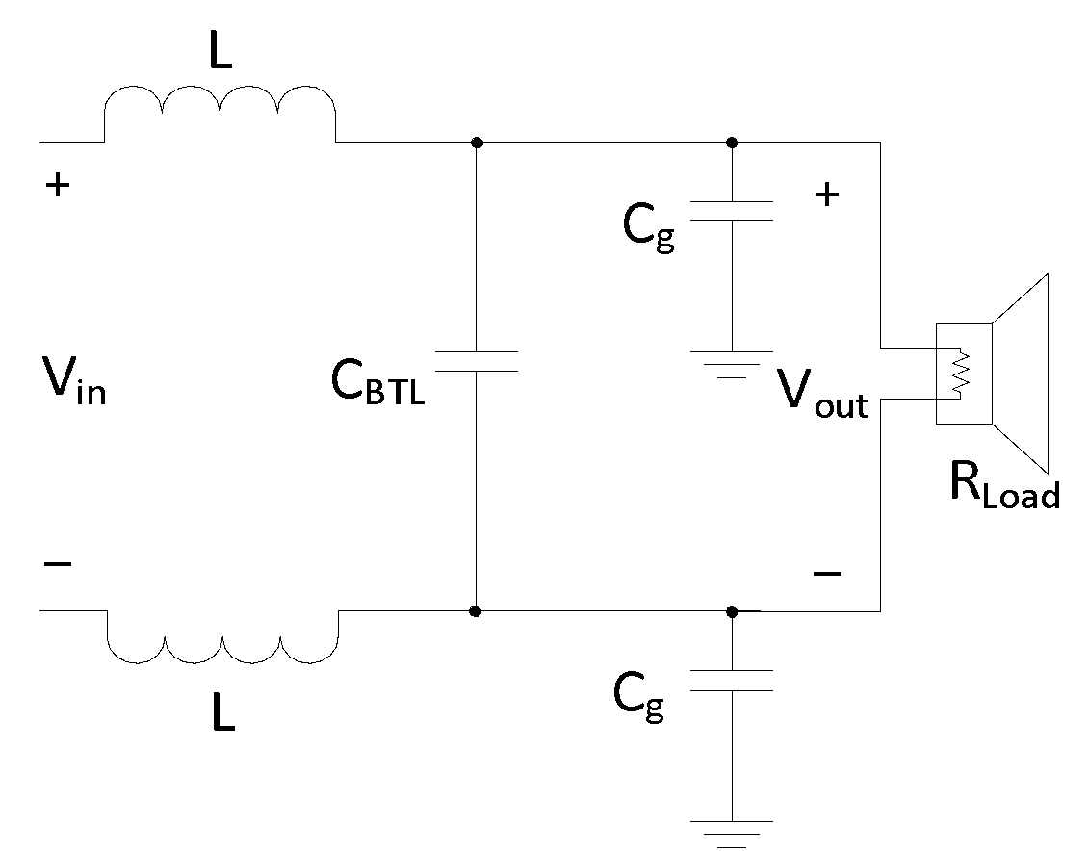
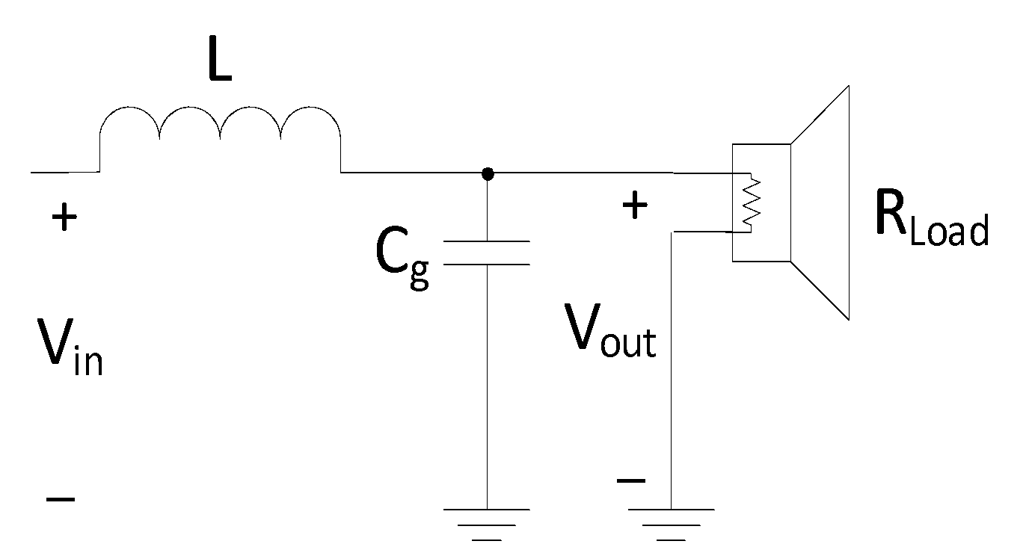
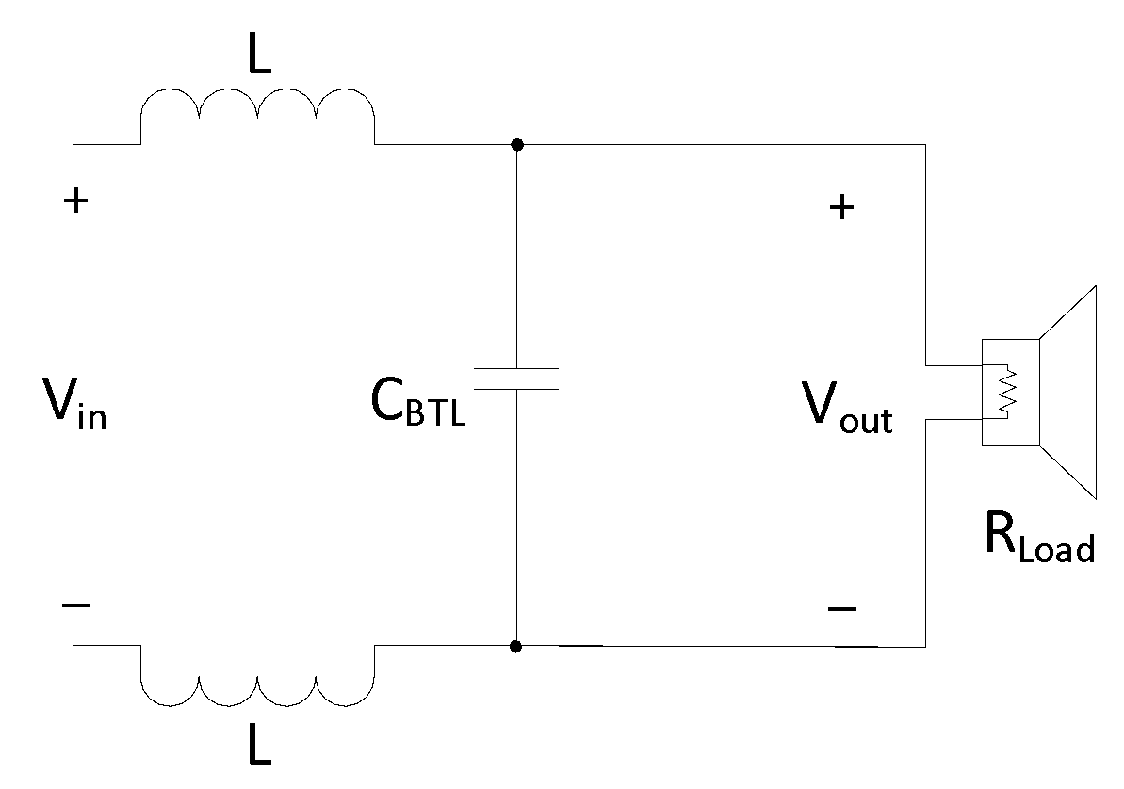
Select the output configuration on the right.

Transfer Function
Filter Type | Common Mode

Output Configuration | BTL

Load Factor | 0.5

Enter the speaker load, desired cutoff frequency, and quality factor.

 |  |  | Gain vs Frequency | Zoom (Gain vs Frequency)
Speaker Load (RLoad) | 8 | Ω

Cutoff Frequency | 20 | kHz

Quality Factor (Q) | 0.707
2 Calculated Components

The calculated LC filter component values are shown below.

Inductor (L) | 45.02 | uH

Capacitor (Cg ) | 1.407 | uF

Capacitor (CBTL) | 1.407 | uF

Total Cap SE Equivalent | 1.407 | uF
3 Graph & Verify

Enter standard inductor and capacitor values below to graph & verify.

Inductor (L) | 10.00 | uH

Capacitor (Cg ) | 0.703 | uF
Graph Settings
Capacitor (CBTL) | 0.680 | uF |  |  |  |  |  |  | Q
 |  |  |  |  |  | Load 1 | 2 | Ω | 0.265
Total Cap SE Equivalent | 0.703 | uF |  |  | Enter up to 5 different loads to graph. | Load 2 | 3 | Ω | 0.398
 |  |  |  |  |  | Load 3 | 4 | Ω | 0.530
Cut-Off Frequency | 60.0 | kHz |  |  |  | Load 4 | 6 | Ω | 0.795
 |  |  |  |  |  | Load 5 | 8 | Ω | 1.061
Quality Factor (Q) | 1.061

